Base Model
Train Data
Class | Notes | #
0 | Non Taker | 9404
1 | Taker | 7527

Classification Report
 | precision | recall | f1-score | support
0 | 0.84945764 | 0.61622714 | 0.71428571 | 9404
1 | 0.64299139 | 0.86355786 | 0.7371286 | 7527
Feature Importance
Feature Importance
accuracy |  | 0.72618274172
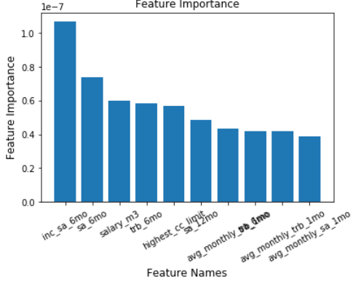
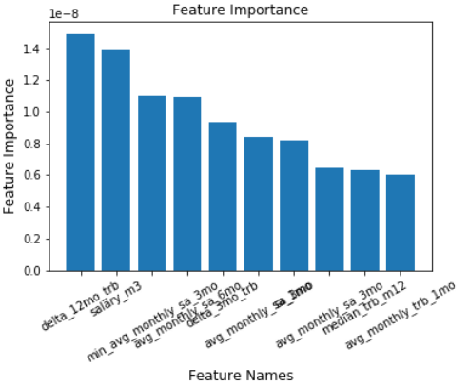

Confusion Matrix
 | Predicted: Non Taker | Predicted: Taker
Actual: Non Taker | 5795 | 3609
Actual: Taker | 1027 | 6500

Validation Data
Class | Notes | #
0 | Non Taker | 1859
1 | Taker | 1488

Classification Report
 | precision | recall | f1-score | support
0 | 0.83238312 | 0.39268424 | 0.53362573 | 1859
1 | 0.54291498 | 0.90120968 | 0.67761496 | 1488
accuracy |  | 0.61876307141

Confusion Matrix
3347 | Predicted: Non Taker | Predicted: Taker
Actual: Non Taker | 730 | 1129
Actual: Taker | 147 | 1341

Model 1 - Random Forest
Feature Importance
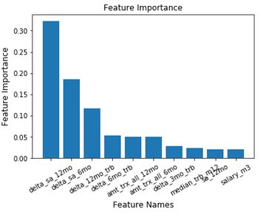
Train Data
Class | Notes | #
0 | Non Taker | 83276
1 | Taker | 83309

Classification Report
 | precision | recall | f1-score | support
0 | 0.998884 | 1 | 0.999442 | 83276
1 | 1 | 0.998884 | 0.999442 | 83309
accuracy | 99.944%
AUC | 99%

Confusion Matrix
 | Predicted: Non Taker | Predicted: Taker
Actual: Non Taker | 83276 | 0
Actual: Taker | 93 | 83216

Test Data
Class | Notes | #
0 | Non Taker | 31353
1 | Taker | 31143

Classification Report
 | precision | recall | f1-score | support
0 | 0.96015 | 0.955546 | 0.957843 | 31353
1 | 0.955633 | 0.960229 | 0.957926 | 31143
accuracy | 95.788%
AUC | 98%

Confusion Matrix
 | Predicted: Non Taker | Predicted: Taker
Actual: Non Taker | 19926 | 927
Actual: Taker | 827 | 19967

Validation Data
Class | Notes | #
0 | Non Taker | 39191
1 | Taker | 38929

Classification Report
 | precision | recall | f1-score | support
0 | 0.95865 | 0.954413 | 0.956527 | 39191
1 | 0.954658 | 0.958874 | 0.956762 | 38929
accuracy | 95.664%
AUC | 99%

Confusion Matrix
52058 | Predicted: Non Taker | Predicted: Taker
Actual: Non Taker | 24830 | 1186
Actual: Taker | 1071 | 24971

Best Threshold = 0.77

decile | decile_size | min_proba | max_proba | n_takers | n_non_takers | decile_percentage | decile_takers_rate | decile_non_takers_rate | overall_takers_rate | overall_non_takers_rate | cum_non_takers_rate | cum_takers_rate / gain | ks | lift | Random
1 | 5206 | 1 | 1 | 5203 | 3 | 10% | 100% | 0% | 20% | 0% | 0% | 20% | 2.00E-01 | 1.997926 | 1
2 | 5206 | 1 | 1 | 5205 | 1 | 20% | 100% | 0% | 20% | 0% | 0% | 40% | 4.00E-01 | 1.99831 | 1
3 | 5206 | 0.992 | 1 | 5198 | 8 | 30% | 100% | 0% | 20% | 0% | 0% | 60% | 5.99E-01 | 1.997542 | 1
4 | 5205 | 0.944 | 0.992 | 5082 | 123 | 40% | 98% | 2% | 20% | 0% | 1% | 79% | 7.89E-01 | 1.986023 | 1
5 | 5206 | 0.520149 | 0.944 | 4221 | 985 | 50% | 81% | 19% | 16% | 4% | 4% | 96% | 9.13E-01 | 1.912987 | 1
6 | 5206 | 0.057327 | 0.520059 | 975 | 4231 | 60% | 19% | 81% | 4% | 16% | 21% | 99% | 7.88E-01 | 1.656555 | 1
7 | 5205 | 0.012 | 0.057319 | 112 | 5093 | 70% | 2% | 98% | 0% | 20% | 40% | 100% | 5.97E-01 | 1.426048 | 1
8 | 5206 | 0.000817 | 0.012 | 29 | 5177 | 80% | 1% | 99% | 0% | 20% | 60% | 100% | 3.99E-01 | 1.249184 | 1
9 | 5206 | 0.000012 | 0.000816 | 8 | 5198 | 90% | 0% | 100% | 0% | 20% | 80% | 100% | 1.99E-01 | 1.110727 | 1
10 | 5206 | 0 | 0.000012 | 9 | 5197 | 100% | 0% | 100% | 0% | 20% | 100% | 100% | -2.22E-16 | 1 | 1

Model 2 - SVM
Feature Importance
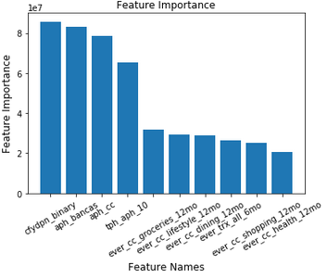
Train Data
Class | Notes | #
0 | Non Taker | 83276
1 | Taker | 83309

Classification Report
 | precision | recall | f1-score | support
0 | 0.701329 | 0.871836 | 0.777342 | 83276
1 | 0.830757 | 0.628864 | 0.715847 | 83309
accuracy | 75.033%
AUC | 86%

Confusion Matrix
 | Predicted: Non Taker | Predicted: Taker
Actual: Non Taker | 72603 | 10673
Actual: Taker | 30919 | 52390

Test Data
Class | Notes | #
0 | Non Taker | 31353
1 | Taker | 31143

Classification Report
 | precision | recall | f1-score | support
0 | 0.701675 | 0.867597 | 0.775865 | 31353
1 | 0.825947 | 0.630086 | 0.714843 | 31143
accuracy | 74.901%
AUC | 86%

Confusion Matrix
 | Predicted: Non Taker | Predicted: Taker
Actual: Non Taker | 18092 | 2761
Actual: Taker | 7692 | 13102

Validation Data
Class | Notes | #
0 | Non Taker | 39191
1 | Taker | 38929

Classification Report
 | precision | recall | f1-score | support
0 | 0.698886 | 0.867966 | 0.774303 | 39191
1 | 0.826058 | 0.626411 | 0.712514 | 38929
accuracy | 74.713%
AUC | 86%

Confusion Matrix
52058 | Predicted: Non Taker | Predicted: Taker
Actual: Non Taker | 22581 | 3435
Actual: Taker | 9729 | 16313

Best Threshold = 0.77

decile | decile_size | min_proba | max_proba | n_takers | n_non_takers | decile_percentage | decile_takers_rate | decile_non_takers_rate | overall_takers_rate | overall_non_takers_rate | cum_non_takers_rate | cum_takers_rate / gain | ks | lift
1 | 5206 | 0.945757 | 1 | 5165 | 41 | 10% | 99% | 1% | 20% | 0% | 0% | 20% | 20% | 1.983335
2 | 5206 | 0.851503 | 0.945757 | 4602 | 604 | 20% | 88% | 12% | 18% | 2% | 2% | 38% | 35% | 1.87524
3 | 5206 | 0.818197 | 0.851503 | 4005 | 1201 | 30% | 77% | 23% | 15% | 5% | 7% | 53% | 46% | 1.762793
4 | 5205 | 0.795738 | 0.818185 | 3219 | 1986 | 40% | 62% | 38% | 12% | 8% | 15% | 65% | 51% | 1.631115
5 | 5206 | 0.775777 | 0.795733 | 3276 | 1930 | 50% | 63% | 37% | 13% | 7% | 22% | 78% | 56% | 1.556486
6 | 5206 | 0.755736 | 0.775769 | 2812 | 2394 | 60% | 54% | 46% | 11% | 9% | 31% | 89% | 57% | 1.477037
7 | 5205 | 0.740987 | 0.755736 | 1547 | 3658 | 70% | 30% | 70% | 6% | 14% | 45% | 95% | 49% | 1.350895
8 | 5206 | 0.73483 | 0.740985 | 518 | 4688 | 80% | 10% | 90% | 2% | 18% | 63% | 97% | 33% | 1.206897
9 | 5206 | 0.734453 | 0.73483 | 66 | 5140 | 90% | 1% | 99% | 0% | 20% | 83% | 97% | 14% | 1.075613
10 | 5206 | 0.373534 | 0.734453 | 832 | 4374 | 100% | 16% | 84% | 3% | 17% | 100% | 100% | 0% | 1

 | Random | Gain
1 | 10% | 20%
2 | 20% | 38%
3 | 30% | 53%
4 | 40% | 65%
5 | 50% | 78%
6 | 60% | 89%
7 | 70% | 95%
8 | 80% | 97%
9 | 90% | 97%
10 | 100% | 100%
 | #REF! | Random
1 | 1.983335 | 1
2 | 1.87524 | 1
3 | 1.762793 | 1
4 | 1.631115 | 1
5 | 1.556486 | 1
6 | 1.477037 | 1
7 | 1.350895 | 1
8 | 1.206897 | 1
9 | 1.075613 | 1
10 | 1 | 1

Model 3 -Logistic Regression
Feature Importance
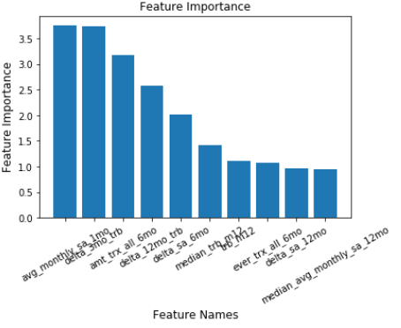
Train Data
Class | Notes | #
0 | Non Taker | 83276
1 | Taker | 83309

Classification Report
 | precision | recall | f1-score | support
0 | 0.934577 | 0.977075 | 0.955354 | 83276
1 | 0.976078 | 0.93186 | 0.953457 | 83309
accuracy | 95.443%
AUC | 99%

Confusion Matrix
 | Predicted: Non Taker | Predicted: Taker
Actual: Non Taker | 121896 | 2860
Actual: Taker | 8533 | 116695

Test Data
Class | Notes | #
0 | Non Taker | 31353
1 | Taker | 31143

Classification Report
 | precision | recall | f1-score | support
0 | 0.882883 | 0.97209 | 0.925342 | 31353
1 | 0.968855 | 0.870684 | 0.91715 | 31143
accuracy | 92.146%
AUC | 98%

Confusion Matrix
 | Predicted: Non Taker | Predicted: Taker
Actual: Non Taker | 20271 | 582
Actual: Taker | 2689 | 18105

Validation Data
Class | Notes | #
0 | Non Taker | 39191
1 | Taker | 38929

Classification Report
 | precision | recall | f1-score | support
0 | 0.895933 | 0.963638 | 0.928553 | 39191
1 | 0.960708 | 0.888181 | 0.923022 | 38929
accuracy | 92.589%
AUC | 98%

Confusion Matrix
52059 | Predicted: Non Taker | Predicted: Taker
Actual: Non Taker | 25070 | 947
Actual: Taker | 2912 | 23130

Best Threshold = 0.77

decile | decile_size | min_proba | max_proba | n_takers | n_non_takers | decile_percentage | decile_takers_rate | decile_non_takers_rate | overall_takers_rate | overall_non_takers_rate | cum_non_takers_rate | cum_takers_rate / gain | ks | lift
1 | 5206 | 1 | 1 | 5187 | 19 | 0.1 | 0.99635 | 0.00365 | 0.199178 | 0.00073 | 0.00073 | 0.199178 | 0.1984479 | 1.991783
2 | 5206 | 0.999921 | 1 | 5156 | 50 | 0.2 | 0.990396 | 0.009604 | 0.197988 | 0.001922 | 0.002652 | 0.397166 | 0.3945139 | 1.985831
3 | 5206 | 0.994824 | 0.999921 | 5130 | 76 | 0.3 | 0.985401 | 0.014599 | 0.196989 | 0.002921 | 0.005573 | 0.594156 | 0.5885821 | 1.980519
4 | 5205 | 0.892796 | 0.994824 | 5001 | 204 | 0.4 | 0.960807 | 0.039193 | 0.192036 | 0.007841 | 0.013415 | 0.786192 | 0.7727767 | 1.965479
5 | 5206 | 0.304489 | 0.892718 | 3788 | 1418 | 0.5 | 0.727622 | 0.272378 | 0.145457 | 0.054505 | 0.06792 | 0.931649 | 0.8637291 | 1.863298
6 | 5206 | 0.114718 | 0.304434 | 1188 | 4018 | 0.6 | 0.228198 | 0.771802 | 0.045619 | 0.154443 | 0.222363 | 0.977267 | 0.7549043 | 1.628779
7 | 5205 | 0.071539 | 0.114684 | 406 | 4799 | 0.7 | 0.078002 | 0.921998 | 0.01559 | 0.184463 | 0.406827 | 0.992858 | 0.5860311 | 1.418368
8 | 5206 | 0.068038 | 0.071536 | 94 | 5112 | 0.8 | 0.018056 | 0.981944 | 0.00361 | 0.196494 | 0.603321 | 0.996467 | 0.3931462 | 1.245584
9 | 5206 | 0.058003 | 0.068038 | 43 | 5163 | 0.9 | 0.00826 | 0.99174 | 0.001651 | 0.198455 | 0.801776 | 0.998118 | 0.1963426 | 1.10902
10 | 5206 | 0.000477 | 0.058 | 49 | 5157 | 1 | 0.009412 | 0.990588 | 0.001882 | 0.198224 | 1 | 1 | 3.330669E-16 | 1

 | Random | Gain
1 | 10% | 0.199178
2 | 20% | 0.397166
3 | 30% | 0.594156
4 | 40% | 0.786192
5 | 50% | 0.931649
6 | 60% | 0.977267
7 | 70% | 0.992858
8 | 80% | 0.996467
9 | 90% | 0.998118
10 | 100% | 1
 | #REF! | Random
1 | 1.991783 | 1
2 | 1.985831 | 1
3 | 1.980519 | 1
4 | 1.965479 | 1
5 | 1.863298 | 1
6 | 1.628779 | 1
7 | 1.418368 | 1
8 | 1.245584 | 1
9 | 1.10902 | 1
10 | 1 | 1

decile | decile_size | min_proba | max_proba | n_takers | n_non_takers | decile_percentage | decile_takers_rate | decile_non_takers_rate | overall_takers_rate | overall_non_takers_rate | cum_non_takers_rate | cum_takers_rate / gain | ks | lift
1 | 334351 | 0.670932 | 1 | 117568 | 216783 | 0.1 | 0.35163 | 0.64837 | 0.903362 | 0.067463 | 0.067463 | 0.903362 | 8.36E-01 | 9.033616
2 | 334350 | 0.584547 | 0.670929 | 7423 | 326927 | 0.2 | 0.022201 | 0.977799 | 0.057036 | 0.10174 | 0.169203 | 0.960398 | 7.91E-01 | 4.80199
3 | 334351 | 0.568547 | 0.584547 | 1119 | 333232 | 0.3 | 0.003347 | 0.996653 | 0.008598 | 0.103702 | 0.272905 | 0.968996 | 6.96E-01 | 3.229987
4 | 334350 | 0.555747 | 0.568547 | 929 | 333421 | 0.4 | 0.002779 | 0.997221 | 0.007138 | 0.103761 | 0.376666 | 0.976134 | 5.99E-01 | 2.440336
5 | 334351 | 0.546342 | 0.555747 | 621 | 333730 | 0.5 | 0.001857 | 0.998143 | 0.004772 | 0.103857 | 0.480523 | 0.980906 | 5.00E-01 | 1.961812
6 | 334350 | 0.540547 | 0.546342 | 346 | 334004 | 0.6 | 0.001035 | 0.998965 | 0.002659 | 0.103942 | 0.584465 | 0.983564 | 3.99E-01 | 1.639274
7 | 334350 | 0.531395 | 0.540547 | 561 | 333789 | 0.7 | 0.001678 | 0.998322 | 0.004311 | 0.103875 | 0.688341 | 0.987875 | 3.00E-01 | 1.41125
8 | 334351 | 0.519942 | 0.531395 | 537 | 333814 | 0.8 | 0.001606 | 0.998394 | 0.004126 | 0.103883 | 0.792224 | 0.992001 | 2.00E-01 | 1.240002
9 | 334350 | 0.482414 | 0.519942 | 736 | 333614 | 0.9 | 0.002201 | 0.997799 | 0.005655 | 0.103821 | 0.896045 | 0.997656 | 1.02E-01 | 1.108507
10 | 334351 | 0.352 | 0.482414 | 305 | 334046 | 1 | 0.000912 | 0.999088 | 0.002344 | 0.103955 | 1 | 1 | 0.00E+00 | 1

Model 4 - XGBoost
Feature Importance
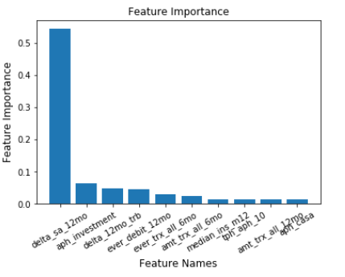
Train Data
Class | Notes | #
0 | Non Taker | 83276
1 | Taker | 83309

Classification Report
 | precision | recall | f1-score | support
0 | 0.975284 | 0.994104 | 0.984604 | 83276
1 | 0.99399 | 0.974817 | 0.98431 | 83309
accuracy | 98.446%
AUC | 99%

Confusion Matrix
 | Predicted: Non Taker | Predicted: Taker
Actual: Non Taker | 82785 | 491
Actual: Taker | 2098 | 81211

Test Data
Class | Notes | #
0 | Non Taker | 31353
1 | Taker | 31143

Classification Report
 | precision | recall | f1-score | support
0 | 0.950066 | 0.964418 | 0.957188 | 31353
1 | 0.963768 | 0.949168 | 0.956412 | 31143
accuracy | 95.680%
AUC | 99%

Confusion Matrix
 | Predicted: Non Taker | Predicted: Taker
Actual: Non Taker | 20111 | 742
Actual: Taker | 1057 | 19737

Validation Data
Class | Notes | #
0 | Non Taker | 39191
1 | Taker | 38929

Classification Report
 | precision | recall | f1-score | support
0 | 0.956849 | 0.956335 | 0.956592 | 39191
1 | 0.956402 | 0.956916 | 0.956659 | 38929
accuracy | 95.663%
AUC | 99%

Confusion Matrix
52058 | Predicted: Non Taker | Predicted: Taker
Actual: Non Taker | 24880 | 1136
Actual: Taker | 1122 | 24920

Best Threshold = 0.68

decile | decile_size | min_proba | max_proba | n_takers | n_non_takers | decile_percentage | decile_takers_rate | decile_non_takers_rate | overall_takers_rate | overall_non_takers_rate | cum_non_takers_rate | cum_takers_rate / gain | ks | lift
1 | 5206 | 0.998335 | 0.99908 | 5204 | 2 | 0.1 | 100% | 0% | 20% | 0% | 0% | 20% | 20% | 1.99831
2 | 5206 | 0.995864 | 0.998335 | 5201 | 5 | 0.2 | 100% | 0% | 20% | 0% | 0% | 40% | 40% | 1.997734
3 | 5206 | 0.989269 | 0.995864 | 5164 | 42 | 0.3 | 99% | 1% | 20% | 0% | 0% | 60% | 60% | 1.992806
4 | 5205 | 0.962341 | 0.989268 | 5079 | 126 | 0.4 | 98% | 2% | 20% | 0% | 1% | 79% | 79% | 1.982183
5 | 5206 | 0.515757 | 0.962312 | 4256 | 950 | 0.5 | 82% | 18% | 16% | 4% | 4% | 96% | 91% | 1.912603
6 | 5206 | 0.035223 | 0.515627 | 967 | 4239 | 0.6 | 19% | 81% | 4% | 16% | 21% | 99% | 79% | 1.655723
7 | 5205 | 0.01083 | 0.035222 | 119 | 5086 | 0.7 | 2% | 98% | 0% | 20% | 40% | 100% | 60% | 1.425719
8 | 5206 | 0.006303 | 0.01083 | 33 | 5173 | 0.8 | 1% | 99% | 0% | 20% | 60% | 100% | 40% | 1.249088
9 | 5206 | 0.004743 | 0.006302 | 11 | 5195 | 0.9 | 0% | 100% | 0% | 20% | 80% | 100% | 20% | 1.11077
10 | 5206 | 0.002541 | 0.004743 | 8 | 5198 | 1 | 0% | 100% | 0% | 20% | 100% | 100% | 0% | 1
 | Random | Gain
1 | 10% | 20%
2 | 20% | 40%
3 | 30% | 60%
4 | 40% | 79%
5 | 50% | 96%
6 | 60% | 99%
7 | 70% | 100%
8 | 80% | 100%
9 | 90% | 100%
10 | 100% | 100%
 | #REF! | Random
1 | 1.99831 | 1
2 | 1.997734 | 1
3 | 1.992806 | 1
4 | 1.982183 | 1
5 | 1.912603 | 1
6 | 1.655723 | 1
7 | 1.425719 | 1
8 | 1.249088 | 1
9 | 1.11077 | 1
10 | 1 | 1

